Ball-by-Ball Analysis
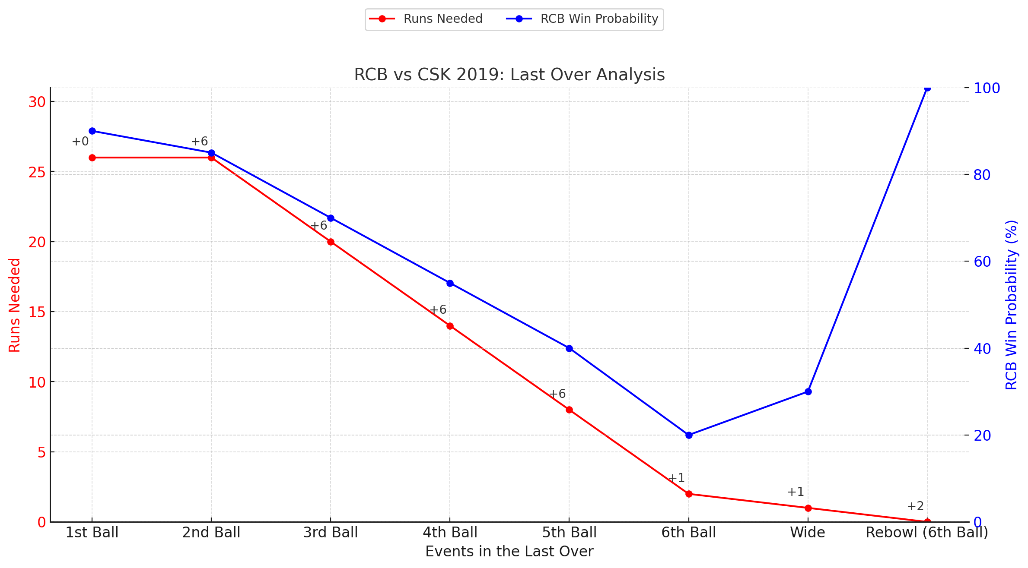
Ball | Bowler | Batsman | Runs Scored | Extras | Outcome | Equation (Runs Needed) | Dismissal
19.1 | Umesh Yadav | MS Dhoni | 6 | 0 | Six over deep mid-wicket | 26 off 6 | Not Out
19.2 | Umesh Yadav | MS Dhoni | 6 | 0 | Six over long-on | 20 off 5 | Not Out
19.3 | Umesh Yadav | MS Dhoni | 2 | 0 | Two runs to square leg | 18 off 4 | Not Out
19.4 | Umesh Yadav | MS Dhoni | 4 | 0 | Four through covers | 14 off 3 | Not Out
19.5 | Umesh Yadav | MS Dhoni | 6 | 0 | Six over long-off | 8 off 2 | Not Out
19.6 | Umesh Yadav | Ravindra Jadeja | 1 | 0 | Single to mid-on | 7 off 1 | Run-Out (Non-striker)

